Sheet1
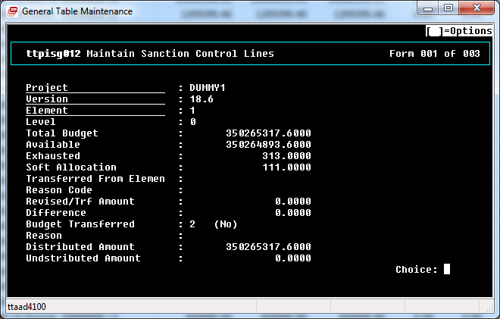
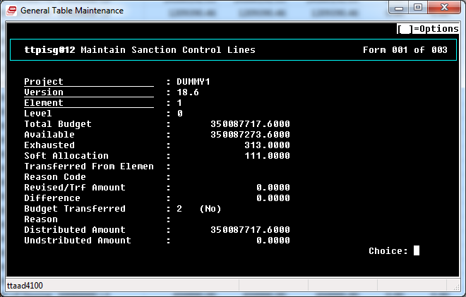
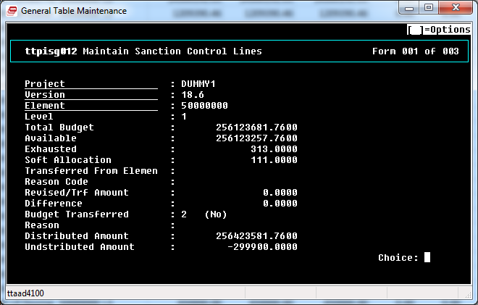
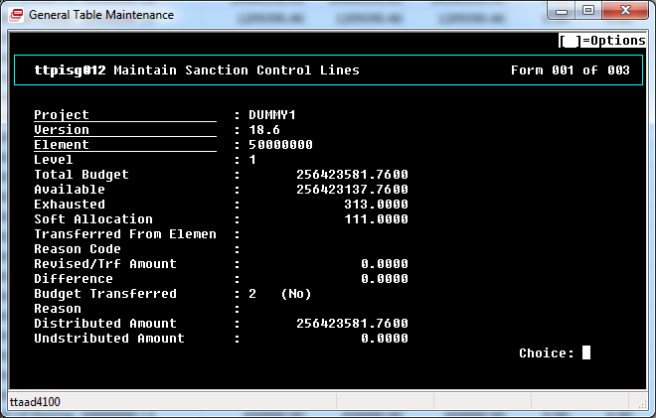
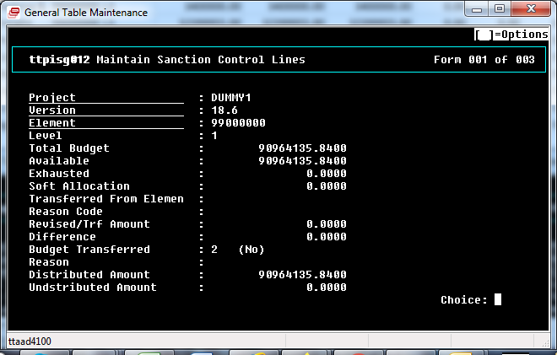
Element |  | Parent Element | Level | Total Budget | Available Amount For Indenting | Available Amount For Purchase Order | Exhausted in Modified PO's | Soft Allocation | Exhausted | Distributed Amount | Undstributed Amount | Transfered From Element | Reason Code | Revised/Trf Amount | Revised Intital Total Budget | Addition/Reduction Due to Client Till Date | Addition/Reduction Due to Internal Transfer Till Date | Transfer To CTOH | Transfer of Savings To Contigency - S | Savings Transferred Amount | Total To Be Transferred | Transferred From Contingency | Transferred From Contingency-S | Transferred From Warranty | Transferred From CTOH | Transfer From Freight | Transfer From P&F | Transfer From TPC | Reason For Partial Revise |  | Addition/Reduction Due to Client | Addition/Reduction Due to Internal Transfer | Remarks
1 | Total Budget |  | L1 | 350087717.60 | 350087273.60 | 350087404.60 | 0.00 | 111.00 | 313.00 | 350087717.60
1 | Total Budget |  | L1 | 350265317.60 | 350264893.60 | 350265004.60 | 0.00 | 111.00 | 313.00 | 350265317.60 | 0 |  |  | 0 | 347097117.6 | 700 | -1205 | 0 | No | 0 | 0 | 0 | 0 | 0 | 0 | 0 | 0 | 0 |  |  | 0 | 0
50000000 | BOILER | 1 | L2 | 256423581.76 | 256423137.76 | 256423268.76 | 0.00 | 111.00 | 313.00 | 256423581.76
50000000 | BOILER | 1 | L2 | 256123681.76 | 256123257.76 | 256123368.76 | 0.00 | 111.00 | 313.00 | 256423581.76 | -299900 |  |  | 0 | 275276118.6 | 0 | 0 | 0 | No | 0 | 0 | 0 | 0 | 0 | 0 | 0 | 0 | 0 |  |  | 0 | 0
50010000 | Drum | 50000000 | L3 | 6858497.78 | 6858256.78 | 6858387.78 | 0.00 | 111.00 | 110.00 | 6618256.78 | 240241 |  |  | 0 | 6657852.78 | 700 | -1104 | 0 | No | 0 | 0 | 0 | 0 | 0 | 0 | 0 | 0 | 0 |  |  | 0 | 0
50020000 | Boiler Water Wall and Circulating System Component | 50000000 | L3 | 23710767.50 | 23710764.50 | 23710764.50 | 0.00 | 0.00 | 3.00 | 23710767.50 | 0 |  |  | 0 | 23710767.5 | 0 | 0 | 0 | No | 0 | 0 | 0 | 0 | 0 | 0 | 0 | 0 | 0 |  |  | 0 | 0
50030000 | Superheater Assembly | 50000000 | L3 | 17413786.45 | 17413786.45 | 17413786.45 | 0.00 | 0.00 | 0.00 | 0.00 | 17413786.45 |  |  | 0 | 17259786.45 | 0 | -100 | 0 | No | 0 | 0 | 0 | 0 | 0 | 0 | 0 | 0 | 0 |  |  | 0 | 0
50040000 | Forced Flow Assembly | 50000000 | L3 | 14300192.03 | 14300192.03 | 14300192.03 | 0.00 | 0.00 | 0.00 | 0.00 | 14300192.03 |  |  | 0 | 14300192.03 | 0 | 0 | 0 | No | 0 | 0 | 0 | 0 | 0 | 0 | 0 | 0 | 0 |  |  | 0 | 0
50050000 | Airheater | 50000000 | L3 | 1209390.46 | 1209390.46 | 1209390.46 | 0.00 | 0.00 | 0.00 | 0.00 | 1209390.46 |  |  | 0 | 6046952.3 | 0 | 0 | 0 | No | 0 | 0 | 0 | 0 | 0 | 0 | 0 | 0 | 0 |  |  | 0 | 0
50060000 | Boiler Supporting Steelworks and canopy | 50000000 | L3 | 26300500.00 | 26300300.00 | 26300300.00 | 0.00 | 0.00 | 200.00 | 20350000.00 | 5950500 |  |  | 0 | 26277000 | 0 | 0 | 0 | No | 0 | 23500 | 23500 | 0 | 0 | 0 | 0 | 0 | 0 | C01 | Estimation Missout/detailed de | 0 | 0
50070000 | Gallery & Ladder | 50000000 | L3 | 1244600.00 | 1244600.00 | 1244600.00 | 0.00 | 0.00 | 0.00 | 0.00 | 1244600 |  |  | 0 | 6223000 | 0 | 0 | 0 | No | 0 | 0 | 0 | 0 | 0 | 0 | 0 | 0 | 0 |  |  | 0 | 0
50080000 | Ducting- Expansion Joint -Dampers and Supports | 50000000 | L3 | 2378680.00 | 2378680.00 | 2378680.00 | 0.00 | 0.00 | 0.00 | 0.00 | 2378680 |  |  | 0 | 11893400 | 0 | 0 | 0 | No | 0 | 0 | 0 | 0 | 0 | 0 | 0 | 0 | 0 |  |  | 0 | 0
50090000 | Pipework | 50000000 | L3 | 15841198.75 | 15841198.75 | 15841198.75 | 0.00 | 0.00 | 0.00 | 15841198.75 | 0 |  |  | 0 | 15841198.75 | 0 | 0 | 0 | No | 0 | 0 | 0 | 0 | 0 | 0 | 0 | 0 | 0 |  |  | 0 | 0
50100000 | Pipe Supports | 50000000 | L3 | 2025418.95 | 2025418.95 | 2025418.95 | 0.00 | 0.00 | 0.00 | 1925418.95 | 100000 |  |  | 0 | 1925418.95 | 0 | 0 | 0 | No | 0 | 0 | 0 | 0 | 0 | 0 | 0 | 0 | 0 |  |  | 0 | 0
50110000 | Casing | 50000000 | L3 | 1830750.00 | 1830750.00 | 1830750.00 | 0.00 | 0.00 | 0.00 | 1830750.00 | 0 |  |  | 0 | 1830750 | 0 | 0 | 0 | No | 0 | 0 | 0 | 0 | 0 | 0 | 0 | 0 | 0 |  |  | 0 | 0
50120000 | Buckstay | 50000000 | L3 | 1160000.00 | 1160000.00 | 1160000.00 | 0.00 | 0.00 | 0.00 | 1160000.00 | 0 |  |  | 0 | 1160000 | 0 | 0 | 0 | No | 0 | 0 | 0 | 0 | 0 | 0 | 0 | 0 | 0 |  |  | 0 | 0
50130000 | Seal Boxes and Sealing Arrangements | 50000000 | L3 | 860000.00 | 860000.00 | 860000.00 | 0.00 | 0.00 | 0.00 | 860000.00 | 0 |  |  | 0 | 860000 | 0 | 0 | 0 | No | 0 | 0 | 0 | 0 | 0 | 0 | 0 | 0 | 0 |  |  | 0 | 0
50140000 | Refractory arrangement | 50000000 | L3 | 1385000.00 | 1385000.00 | 1385000.00 | 0.00 | 0.00 | 0.00 | 1385000.00 | 0 |  |  | 0 | 1385000 | 0 | 0 | 0 | No | 0 | 0 | 0 | 0 | 0 | 0 | 0 | 0 | 0 |  |  | 0 | 0
50150000 | Concrete insert materials | 50000000 | L3 | 638000.00 | 638000.00 | 638000.00 | 0.00 | 0.00 | 0.00 | 638000.00 | 0 |  |  | 0 | 638000 | 0 | 0 | 0 | No | 0 | 0 | 0 | 0 | 0 | 0 | 0 | 0 | 0 |  |  | 0 | 0
50160000 | Fasteners and gaskets | 50000000 | L3 | 205000.00 | 205000.00 | 205000.00 | 0.00 | 0.00 | 0.00 | 205000.00 | 0 |  |  | 0 | 205000 | 0 | 0 | 0 | No | 0 | 0 | 0 | 0 | 0 | 0 | 0 | 0 | 0 |  |  | 0 | 0
50170000 | Boiler Rough Mountings | 50000000 | L3 | 269535.00 | 269535.00 | 269535.00 | 0.00 | 0.00 | 0.00 | 269535.00 | 0 |  |  | 0 | 269535 | 0 | 0 | 0 | No | 0 | 0 | 0 | 0 | 0 | 0 | 0 | 0 | 0 |  |  | 0 | 0
50180000 | Chimney | 50000000 | L3 | 5025600.00 | 5025600.00 | 5025600.00 | 0.00 | 0.00 | 0.00 | 5025600.00 | 0 |  |  | 0 | 5025600 | 0 | 0 | 0 | No | 0 | 0 | 0 | 0 | 0 | 0 | 0 | 0 | 0 |  |  | 0 | 0
50190000 | Storage Tanks | 50000000 | L3 | 108000.00 | 108000.00 | 108000.00 | 0.00 | 0.00 | 0.00 | 108000.00 | 0 |  |  | 0 | 108000 | 0 | 0 | 0 | No | 0 | 0 | 0 | 0 | 0 | 0 | 0 | 0 | 0 |  |  | 0 | 0
50210000 | Hoppers | 50000000 | L3 | 2438650.00 | 2438650.00 | 2438650.00 | 0.00 | 0.00 | 0.00 | 2438650.00 | 0 |  |  | 0 | 2438650 | 0 | 0 | 0 | No | 0 | 0 | 0 | 0 | 0 | 0 | 0 | 0 | 0 |  |  | 0 | 0
50220000 | Fuel Feeding System | 50000000 | L3 | 6494904.00 | 6494904.00 | 6494904.00 | 0.00 | 0.00 | 0.00 | 6494904.00 | 0 |  |  | 0 | 6494904 | 0 | 0 | 0 | No | 0 | 0 | 0 | 0 | 0 | 0 | 0 | 0 | 0 |  |  | 0 | 0
50240000 | Continuous Ash Discharge Stoker | 50000000 | L3 | 7038000.00 | 7038000.00 | 7038000.00 | 0.00 | 0.00 | 0.00 | 7038000.00 | 0 |  |  | 0 | 7038000 | 0 | 0 | 0 | No | 0 | 0 | 0 | 0 | 0 | 0 | 0 | 0 | 0 |  |  | 0 | 0
50270000 | Deaerator | 50000000 | L3 | 2024400.00 | 2024400.00 | 2024400.00 | 0.00 | 0.00 | 0.00 | 2024400.00 | 0 |  |  | 0 | 2024400 | 0 | 0 | 0 | No | 0 | 0 | 0 | 0 | 0 | 0 | 0 | 0 | 0 |  |  | 0 | 0
50280000 | HP Dosing System | 50000000 | L3 | 530000.00 | 530000.00 | 530000.00 | 0.00 | 0.00 | 0.00 | 530000.00 | 0 |  |  | 0 | 530000 | 0 | 0 | 0 | No | 0 | 0 | 0 | 0 | 0 | 0 | 0 | 0 | 0 |  |  | 0 | 0
50290000 | LP Dosing System | 50000000 | L3 | 650000.00 | 650000.00 | 650000.00 | 0.00 | 0.00 | 0.00 | 650000.00 | 0 |  |  | 0 | 650000 | 0 | 0 | 0 | No | 0 | 0 | 0 | 0 | 0 | 0 | 0 | 0 | 0 |  |  | 0 | 0
50300000 | Blowdown Equipment | 50000000 | L3 | 325000.00 | 325000.00 | 325000.00 | 0.00 | 0.00 | 0.00 | 325000.00 | 0 |  |  | 0 | 325000 | 0 | 0 | 0 | No | 0 | 0 | 0 | 0 | 0 | 0 | 0 | 0 | 0 |  |  | 0 | 0
50350000 | Insulation Material/Cladding | 50000000 | L3 | 5901895.81 | 5901895.81 | 5901895.81 | 0.00 | 0.00 | 0.00 | 5901895.81 | 0 |  |  | 0 | 5901895.81 | 0 | 0 | 0 | No | 0 | 0 | 0 | 0 | 0 | 0 | 0 | 0 | 0 |  |  | 0 | 0
50430000 | Fly Ash and Bed ash Handling system | 50000000 | L3 | 13500000.00 | 13500000.00 | 13500000.00 | 0.00 | 0.00 | 0.00 | 13500000.00 | 0 |  |  | 0 | 13500000 | 0 | 0 | 0 | No | 0 | 0 | 0 | 0 | 0 | 0 | 0 | 0 | 0 |  |  | 0 | 0
50460000 | Pollution Control System | 50000000 | L3 | 17582000.00 | 17582000.00 | 17582000.00 | 0.00 | 0.00 | 0.00 | 17582000.00 | 0 |  |  | 0 | 17582000 | 0 | 0 | 0 | No | 0 | 0 | 0 | 0 | 0 | 0 | 0 | 0 | 0 |  |  | 0 | 0
50470000 | Fans and Blowers | 50000000 | L3 | 7720000.00 | 7720000.00 | 7720000.00 | 0.00 | 0.00 | 0.00 | 7720000.00 | 0 |  |  | 0 | 7720000 | 0 | 0 | 0 | No | 0 | 0 | 0 | 0 | 0 | 0 | 0 | 0 | 0 |  |  | 0 | 0
50480000 | Pumps | 50000000 | L3 | 12000000.00 | 12000000.00 | 12000000.00 | 0.00 | 0.00 | 0.00 | 12000000.00 | 0 |  |  | 0 | 12000000 | 0 | 0 | 0 | No | 0 | 0 | 0 | 0 | 0 | 0 | 0 | 0 | 0 |  |  | 0 | 0
50490000 | Sootblowers | 50000000 | L3 | 3000000.00 | 3000000.00 | 3000000.00 | 0.00 | 0.00 | 0.00 | 3000000.00 | 0 |  |  | 0 | 3000000 | 0 | 0 | 0 | No | 0 | 0 | 0 | 0 | 0 | 0 | 0 | 0 | 0 |  |  | 0 | 0
50500000 | Boiler Mounting & Fitting | 50000000 | L3 | 18563605.20 | 18563605.20 | 18563605.20 | 0.00 | 0.00 | 0.00 | 18563605.20 | 0 |  |  | 0 | 18563605.2 | 0 | 0 | 0 | No | 0 | 0 | 0 | 0 | 0 | 0 | 0 | 0 | 0 |  |  | 0 | 0
50530000 | Maintenance Tool | 50000000 | L3 | 26000.00 | 26000.00 | 26000.00 | 0.00 | 0.00 | 0.00 | 26000.00 | 0 |  |  | 0 | 26000 | 0 | 0 | 0 | No | 0 | 0 | 0 | 0 | 0 | 0 | 0 | 0 | 0 |  |  | 0 | 0
50550000 | Spare | 50000000 | L3 | 2675000.00 | 2675000.00 | 2675000.00 | 0.00 | 0.00 | 0.00 | 2675000.00 | 0 |  |  | 0 | 2675000 | 0 | 0 | 0 | No | 0 | 0 | 0 | 0 | 0 | 0 | 0 | 0 | 0 |  |  | 0 | 0
50570000 | Miscellaneous Items | 50000000 | L3 | 2475709.83 | 2475709.83 | 2475709.83 | 0.00 | 0.00 | 0.00 | 2475709.83 | 0 |  |  | 0 | 2475709.83 | 0 | 0 | 0 | No | 0 | 0 | 0 | 0 | 0 | 0 | 0 | 0 | 0 |  |  | 0 | 0
50710000 | Field Instruments | 50000000 | L3 | 3885500.00 | 3885500.00 | 3885500.00 | 0.00 | 0.00 | 0.00 | 3885500.00 | 0 |  |  | 0 | 3885500 | 0 | 0 | 0 | No | 0 | 0 | 0 | 0 | 0 | 0 | 0 | 0 | 0 |  |  | 0 | 0
50720000 | Instrumentation Erection hardware | 50000000 | L3 | 5100000.00 | 5100000.00 | 5100000.00 | 0.00 | 0.00 | 0.00 | 5100000.00 | 0 |  |  | 0 | 5100000 | 0 | 0 | 0 | No | 0 | 0 | 0 | 0 | 0 | 0 | 0 | 0 | 0 |  |  | 0 | 0
50810000 | Electrical panels | 50000000 | L3 | 8728000.00 | 8728000.00 | 8728000.00 | 0.00 | 0.00 | 0.00 | 8728000.00 | 0 |  |  | 0 | 8728000 | 0 | 0 | 0 | No | 0 | 0 | 0 | 0 | 0 | 0 | 0 | 0 | 0 |  |  | 0 | 0
50820000 | Electrical Erection Material | 50000000 | L3 | 13000000.00 | 13000000.00 | 13000000.00 | 0.00 | 0.00 | 0.00 | 13000000.00 | 0 |  |  | 0 | 13000000 | 0 | 0 | 0 | No | 0 | 0 | 0 | 0 | 0 | 0 | 0 | 0 | 0 |  |  | 0 | 0
68000000 | ESP | 1 | L2 | 2200000.00 | 2200000.00 | 2200000.00 | 0.00 | 0.00 | 0.00 | 2200000.00
68000000 | ESP | 1 | L2 | 2200000.00 | 2200000.00 | 2200000.00 | 0.00 | 0.00 | 0.00 | 2200000.00 | 0 |  |  | 0 | 0 | 0 | 0 | 0 | No | 0 | 0 | 0 | 0 | 0 | 0 | 0 | 0 | 0 |  |  | 0 | 0
68010000 | CASING | 68000000 | L3 | 200000.00 | 200000.00 | 200000.00 | 0.00 | 0.00 | 0.00 | 0.00 | 200000 |  |  | 0 | 0 | 0 | 0 | 0 | No | 0 | 0 | 0 | 0 | 0 | 0 | 0 | 0 | 0 |  |  | 0 | 0
68020000 | HOPPER ASSEMBLY(Not to be used) | 68000000 | L3 | 1000000.00 | 1000000.00 | 1000000.00 | 0.00 | 0.00 | 0.00 | 0.00 | 1000000 |  |  | 0 | 0 | 0 | 0 | 0 | No | 0 | 0 | 0 | 0 | 0 | 0 | 0 | 0 | 0 |  |  | 0 | 0
68030000 | GAS CONES INLET AND OUTLET(Not to be used) | 68000000 | L3 | 1000000.00 | 1000000.00 | 1000000.00 | 0.00 | 0.00 | 0.00 | 0.00 | 1000000 |  |  | 0 | 0 | 0 | 0 | 0 | No | 0 | 0 | 0 | 0 | 0 | 0 | 0 | 0 | 0 |  |  | 0 | 0
70000000 | Shortages/Missouts before Commissioning | 1 | L2 | 500000.00 | 500000.00 | 500000.00 | 0.00 | 0.00 | 0.00 | 500000.00
70000000 | Shortages/Missouts before Commissioning | 1 | L2 | 500000.00 | 500000.00 | 500000.00 | 0.00 | 0.00 | 0.00 | 500000.00 | 0 |  |  | 0 | 500000 | 0 | 0 | 0 | No | 0 | 0 | 0 | 0 | 0 | 0 | 0 | 0 | 0 |  |  | 0 | 0
70100000 | Missouts / Shortages | 70000000 | L3 | 500000.00 | 500000.00 | 500000.00 | 0.00 | 0.00 | 0.00 | 500000.00 | 0 |  |  | 0 | 500000 | 0 | 0 | 0 | No | 0 | 0 | 0 | 0 | 0 | 0 | 0 | 0 | 0 |  |  | 0 | 0
99000000 | Common & Miscellaneous Cost Elements | 1 | L2 | 90964135.84 | 90964135.84 | 90964135.84 | 0.00 | 0.00 | 0.00 | 90964135.84 | 0
99000000 | Common & Miscellaneous Cost Elements | 1 | L2 | 91441635.84 | 91441635.84 | 91441635.84 | 0.00 | 0.00 | 0.00 | 90964135.84 | 477500 |  |  | 0 | 71320999 | 0 | 0 | 0 | No | 0 | 0 | 0 | 0 | 0 | 0 | 0 | 0 | 0 |  |  | 0 | 0
99020000 | Supervision of Erection & Commissioning | 99000000 | L3 | 5800000.00 | 5800000.00 | 5800000.00 | 0.00 | 0.00 | 0.00 | 5800000.00 | 0 |  |  | 0 | 5800000 | 0 | 0 | 0 | No | 0 | 0 | 0 | 0 | 0 | 0 | 0 | 0 | 0 |  |  | 0 | 0
99040000 | Packing & Forwarding | 99000000 | L3 | 3400000.00 | 3400000.00 | 3400000.00 | 0.00 | 0.00 | 0.00 | 3400000.00 | 0 |  |  | 0 | 3400000 | 0 | 0 | 0 | No | 0 | 0 | 0 | 0 | 0 | 0 | 0 | 0 | 0 |  |  | 0 | 0
99050000 | Freight | 99000000 | L3 | 32399955.00 | 32399955.00 | 32399955.00 | 0.00 | 0.00 | 0.00 | 32399955.00 | 0 |  |  | 0 | 32400000 | 0 | 0 | 0 | No | 0 | 0 | 0 | 0 | 0 | 0 | 0 | 0 | 0 |  |  | 0 | 0
99080000 | Project Overheads / Sundry Costs | 99000000 | L3 | 791000.00 | 791000.00 | 791000.00 | 0.00 | 0.00 | 0.00 | 791000.00 | 0 |  |  | 0 | 791000 | 0 | 0 | 0 | No | 0 | 0 | 0 | 0 | 0 | 0 | 0 | 0 | 0 |  |  | 0 | 0
99100000 | Contingency | 99000000 | L3 | 2553500.00 | 2553500.00 | 2553500.00 | 0.00 | 0.00 | 0.00 | 0.00 | 2553500 |  |  | 0 | 3031000 | 0 | 0 | 0 | No | 0 | 0 | 0 | 0 | 0 | 0 | 0 | 0 | 0 |  |  | 0 | 0
99110000 | Warranty | 99000000 | L3 | 3529999.00 | 3529999.00 | 3529999.00 | 0.00 | 0.00 | 0.00 | 0.00 | 3529999 |  |  | 0 | 3530999 | 0 | -1 | 0 | No | 0 | 0 | 0 | 0 | 0 | 0 | 0 | 0 | 0 |  |  | 0 | 0
99170000 | Liquidated Damages | 99000000 | L3 | 7500000.00 | 7500000.00 | 7500000.00 | 0.00 | 0.00 | 0.00 | 0.00 | 7500000 |  |  | 0 | 7500000 | 0 | 0 | 0 | No | 0 | 0 | 0 | 0 | 0 | 0 | 0 | 0 | 0 |  |  | 0 | 0
99180000 | Contingency-S | 99000000 | L3 | 20121681.84 | 20121681.84 | 20121681.84 | 0.00 | 0.00 | 0.00 | 0.00 | 20121681.84 |  |  | 0 | 0 | 0 | 0 | 0 | No | 0 | 0 | 0 | 0 | 0 | 0 | 0 | 0 | 0 |  |  | 0 | 0
99190000 | Agency Commission | 99000000 | L3 | 14868000.00 | 14868000.00 | 14868000.00 | 0.00 | 0.00 | 0.00 | 0.00 | 14868000 |  |  | 0 | 14868000 | 0 | 0 | 0 | No | 0 | 0 | 0 | 0 | 0 | 0 | 0 | 0 | 0 |  |  | 0 | 0

